Blad1
Model | Color | Style | Retail | Picture | 35 | 36 | 37 | 38 | 39 | 40 | 41 | 42 | 43 | 44 | 45 | 46 | Total
Boston SFB | Stone Coin | 1020526 | € 160.00 | 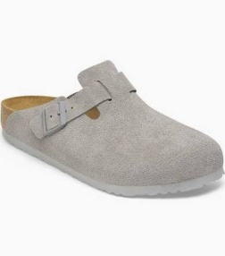 |  | 3 | 5 | 5 | 5 | 5 | 6 | 6 | 5 | 5 | 3 | 2 | 50
Boston | Sandcastle | 1030883 | € 150.00 | 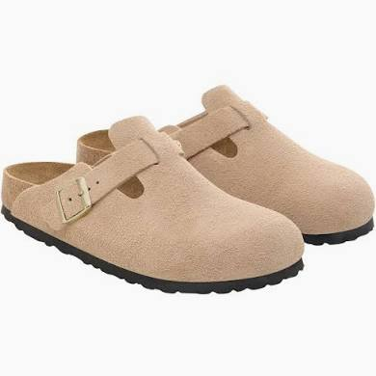 | 2 | 9 | 22 | 28 | 30 | 14 | 15 | 3 | 3 |  |  |  | 126
Boston | Faded Khaki | 1025844 | € 150.00 | 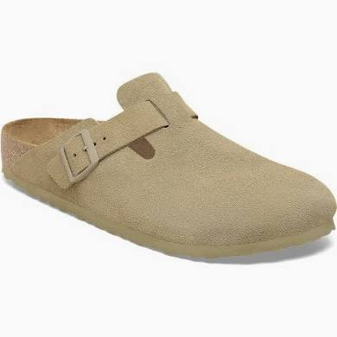 |  | 13 | 17 | 16 | 15 | 18 | 15 | 15 | 16 | 10 | 9 | 2 | 146
Boston | Thyme | 1024714 | € 150.00 | 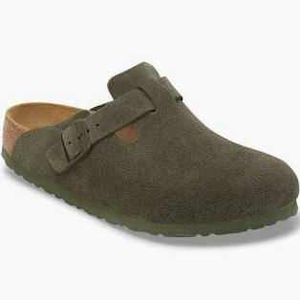 |  | 5 | 5 |  | 5 | 4 | 5 | 2 |  | 5 | 4 |  | 35
Boston | Stone Coin | 1027751 | € 150.00 | 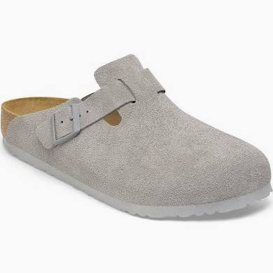 |  |  | 20 |  |  |  | 1 |  | 25 | 1 | 18 | 1 | 66
 |  |  |  |  |  |  |  |  |  |  |  |  |  |  |  |  | 0
Ramses | Dark Brown | 44701 | € 90.00 | 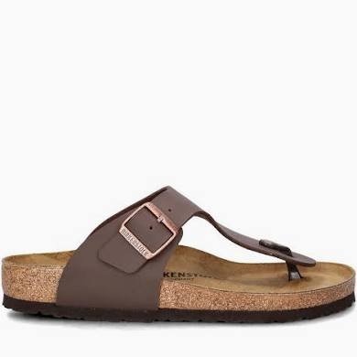 |  |  |  |  |  | 2 | 3 | 4 | 3 | 3 | 4 |  | 19
Ramses | Stone | 44501 | € 90.00 | 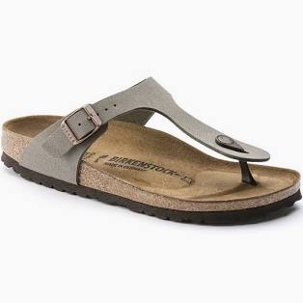 |  |  |  |  |  | 2 | 2 | 3 | 2 | 1 | 2 |  | 12
Ramses | Black | 44791 | € 90.00 | 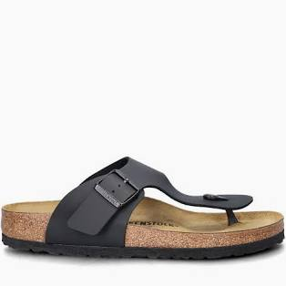 |  |  |  |  |  | 2 | 4 | 4 | 4 | 4 | 4 |  | 22

Gizeh BF | Black | 43693 | € 90.00 | 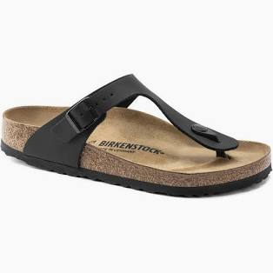 |  | 2 | 2 | 4 | 3 | 2 | 1 |  |  |  |  |  | 14
Gizeh | Stone Coin | 745531 | € 90.00 |  |  |  | 2 | 2 | 2 | 4 | 2 |  |  |  |  |  | 12
Gizeh BS | Black | 43691 | € 90.00 |  |  | 1 | 1 | 1 | 1 | 1 | 1 | 1 |  | 1 | 1 | 1 | 10
Gizeh BS | Mocca | 43751 | € 90.00 | 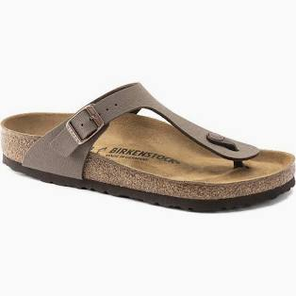 |  | 1 | 1 | 1 | 1 | 1 | 1 | 1 | 1 | 3 | 2 | 1 | 14

Arizona | Faded Khaki | 1019088 | € 130.00 | 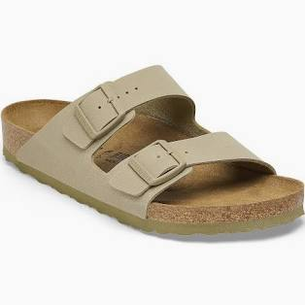 |  | 2 | 2 | 2 |  | 1 | 2 | 1 | 2 | 1 |  |  | 13
Arizona | Mocca | 1027083 | € 120.00 | 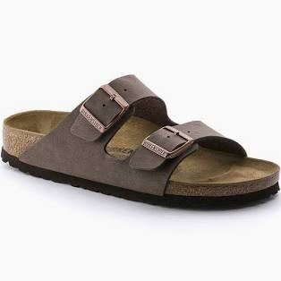 |  | 9 | 4 | 4 | 17 | 6 | 6 | 4 | 19 | 20 | 2 | 2 | 93
Arizona | Pink Glay | 1031651 | € 120.00 | 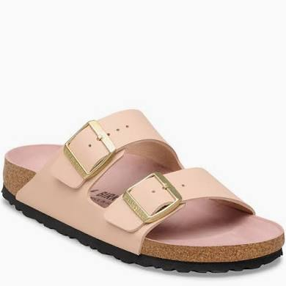 |  | 2 | 2 | 6 | 6 | 4 | 1 | 2 |  |  |  |  | 23
Arizona | Stone Coin | 1027687 | € 120.00 | 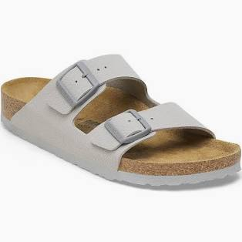 |  | 4 | 2 | 1 | 5 | 4 | 2 | 2 | 3 | 2 | 1 | 1 | 27
Arizona | Faded Khaki | 1032061 | € 120.00 |  |  | 4 | 5 | 7 | 7 | 3 | 4 | 3 | 3 | 3 | 3 | 2 | 44
Arizona | Leve Taupe | 1029260 | € 120.00 | 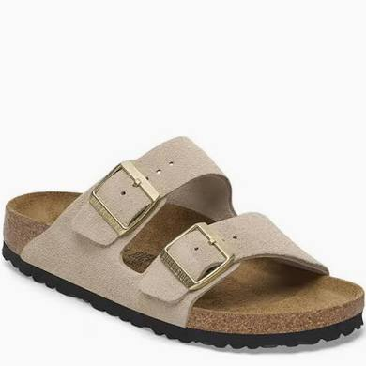 |  | 6 | 12 | 12 | 12 | 10 | 11 | 11 | 6 |  |  |  | 80
Arizona | Tabacco Brown | 352203 | € 120.00 | 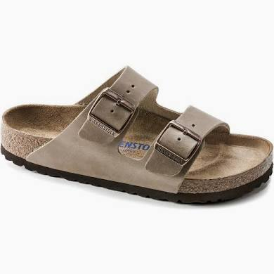 |  | 2 | 4 | 3 | 5 | 3 | 5 | 3 | 3 | 5 | 3 | 2 | 38
Arizona | Faded Khaki | 1027039 | € 120.00 |  |  | 1 |  |  | 9 |  |  |  |  |  |  |  | 10
Arizona | Copper | 1023960 | € 100.00 | 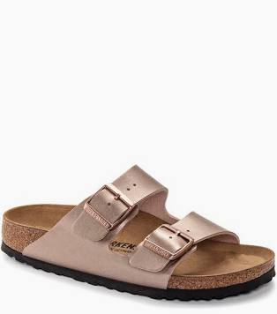 |  | 2 | 6 | 6 | 6 | 6 | 2 |  |  |  |  |  | 28
Arizona | Gold | 1016111 | € 100.00 | 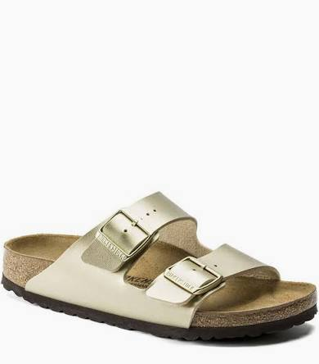 |  | 8 | 18 | 24 | 24 | 18 | 8 |  |  |  |  |  | 100
Arizona | New Beige | 1027723 | € 90.00 | 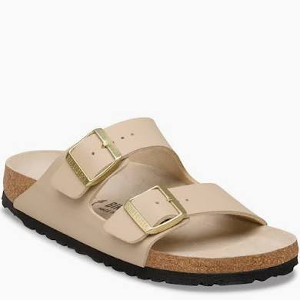 |  | 3 | 3 |  | 2 | 3 | 3 |  |  |  |  |  | 14
Arizona | Stone Coin | 1027696 | € 90.00 | 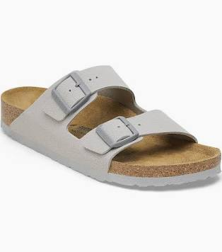 |  | 6 | 4 | 6 | 4 | 7 | 6 | 4 | 4 | 4 | 4 |  | 49
Arizona | Dark Brown | 51703 | € 90.00 | 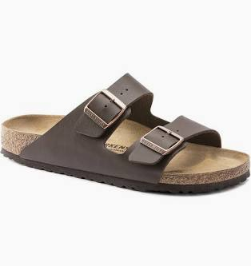 |  | 5 | 3 | 9 | 8 | 4 | 5 | 2 | 7 | 4 | 16 |  | 63
Arizona | Sandcastle | 1031501 | € 90.00 | 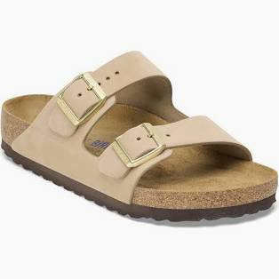 |  | 4 | 4 | 3 | 2 | 2 | 4 | 4 | 3 | 4 | 4 |  | 34

Honolulu EVA | Eggshell | 1031318 | € 40.00 | 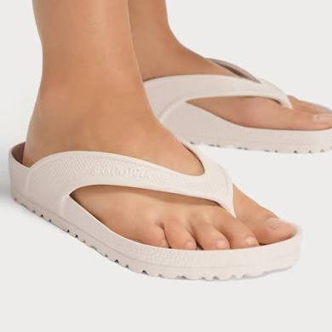 |  | 6 | 12 | 18 | 18 | 12 | 6 |  |  |  |  |  | 72
Honolulu EVA | Black | 1015487 | € 40.00 | 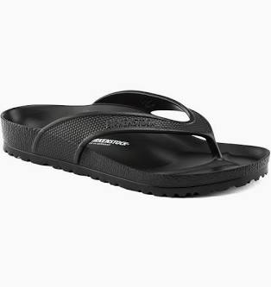 |  | 6 | 12 | 18 | 18 | 12 | 6 |  |  |  |  |  | 72

 |  |  |  |  |  |  |  |  |  |  |  |  |  |  |  |  | 1286

